Sheet1
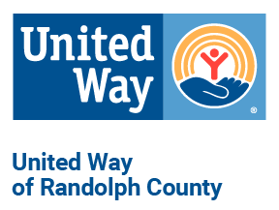
 | 2020 CAMPAIGN FINAL REPORT
 | DUE BY DECEMBER 10, 2019
 | We thank you for your commitment!
 |  | Please complete report and return by email, fax, or call UWRC for pickup.

Firm or Organization |  |  |  |  | Date

Name of person completing this report |  |  |  |  | Contact Phone

Address
EMPLOYEE PLEDGE TOTALS
 |  | # of Full-time employees |  |  |  | # of Part-time employees
 |  | # of Fair-share pledges |  |  |  | Percent of Employee participation

 | Number of Gifts (Contributors) |  | Total Amount | Amount Paid |  | Balance Due
Payroll Deductions |  |  |  |  |  | $-
Cash Gifts, fundraisers &/or special events |  |  |  |  |  | $-

Total Employee Gifts |  |  |  |  |  | $-
CORPORATE PLEDGE - DOLLAR MATCH
 | Total Amount of Gift/Match |  | Amount Paid Now |  |  | Balance due
Total Corporation Gift |  |  |  |  |  | $-

Total Raised |  | $-

Campaign Chair |  |  |  | Payroll Officer

Email address |  |  |  | Email address

Phone Number |  |  |  | Phone Number

Include with this report:
Employee Checks and Company check equal to cash gifts. |  |  |  | List of designated pledges and amount (if any).
Please convert all coin donations to cash or check, if possible.
No goods or services were rendered or exchanged for the donations/contributions listed above.

